LCOS
USD/SG FX | 1
180 kW Charger
Estimated nbr of EV cars per day | 24 |  | USD to RM | 4.2
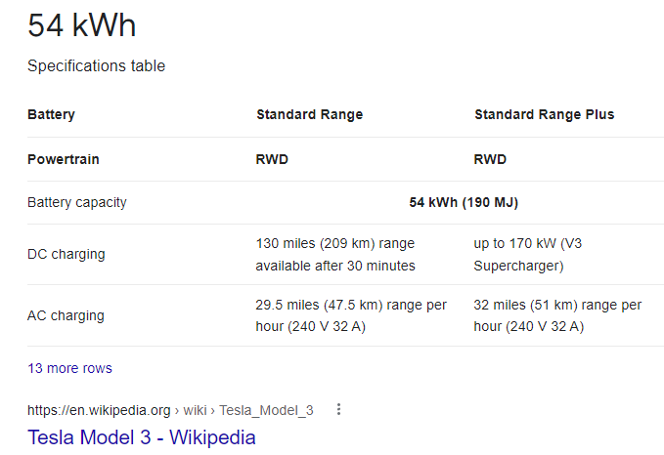
Car Battery Capacity (kWh) | 54
Time to charge (mins) from 0 to 100% | 9.00
ESS Size (kWh) | 1440.00 | Factor
If ESS resized to ? (kWh) | 360.00 | 4
Nbr of Cycles | 4.00
ESS C-rate charge/ discharge | 0.5 | EV Car |  | USD$ | RM | Charging Battery %
 |  | Customer Pays |  |  | 2
 |  | Customer Pays |  | 0.48 | $/kWh | 50%
 |  | 27 | kWh Battery Charging | 12.86 | $/kWh
 |  | 24 | Cars per day for 1 year | 112,628.57
 |  |  | Revenue for Project Life | 771,428.57
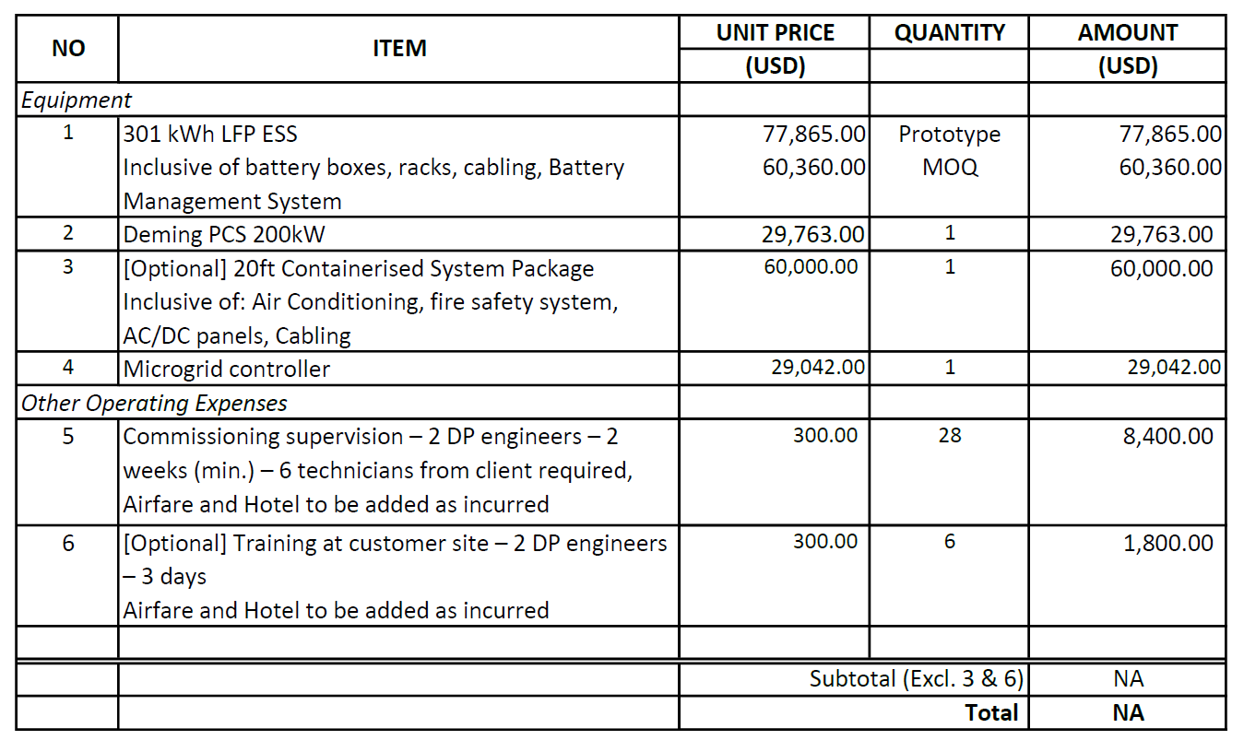
ESS |  |  | Lifetime Cost | 585,053.05
Power Output (MW) | 0.18 |  | GP | 186,375.52
Duration (Hours) | 2.00
Energy Capacity (MWh) | 0.36
Nos. of Cycles Per Day | 4
Depth of Discharge (DoD) | 90%
System Availability (%) | 67%
Project Life | 6.85
Memo: Annual Used Energy (MWh) | 315
Memo: Lifetime Used Energy (MWh) | 2,079

Total Initial Capex Cost (US$/kWh) | 890

Efficiency | 90%

Total Initial Capex Cost (S$) | 320,400.00 | Total Battery Lifecycle= |  | 10000
Total Lifetime Charging Cost (S$) | 257,619.63
Total Lifetime O&M Cost (S$) | 7,033.43
Total Lifetime Cost | 585,053.05

LCOS (S$/kWh) | 0.28135712808

